HRV
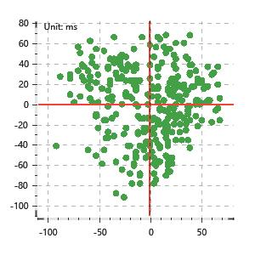
Data Info
 | Recording | 记录004
 | Subject | 劉方姿
 | Create Time | 2024-07-05 15:34:35.843
 | Data Name | Chest1 ECG
 | Data Type | ECG
 | Sample Rate | 512
 | Segment | 前静息态
 | Start Time | 0:00:44
 | End Time | 0:05:44
 | Duration | 0:05:00

Replay Chart
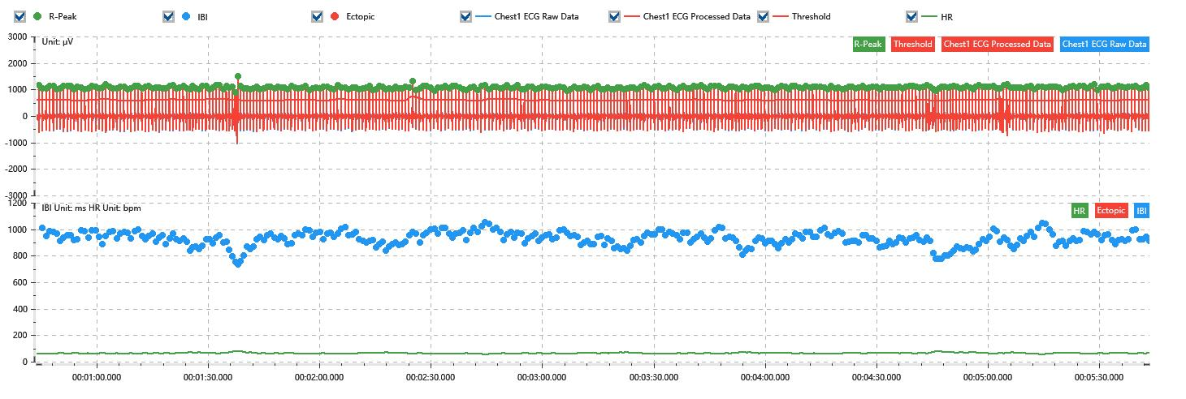

Process parameters
 | Filters
 | Wavlet filter | Enabled | 中
 | Amplitude normalization | Disabled | 中
 | High Pass filter | Enabled | 1μV
 | Band Stop filter | Enabled | 50μV
 | Low Pass filter | Enabled | 100μV
 | Interbeat Interval
 | R-Peak extraction | Maximum heart rate | 120bpm
 | R-Peak extraction | Threshold | 70%
 | Extopic detection | Percent | Disabled | 20%
 | Extopic detection | Median | Enabled | 4(samples)
 | Extopic correction | 中值 | 5(samples)

Time Domain
 | MeanIBI | MeanHR | SDNN | SDANN | RMSSD | SDSD | PNN50 | PNN20 | Data Length
 | 925.88ms | 65bpm | 52.73ms | 0ms | 34.8ms | 34.85ms | 17.39% | 59.32% | 323

Frequency Domain
 | Band | Range | Power | Power Percent | Power Normalized | Peak | Data Length
 | ULF | 0 - 0.0033Hz | 101.58ms² | 3.88% | 0 | 0Hz | 4
 | VLF | 0.0033 - 0.04Hz | 1073.69ms² | 41.06% | 0 | 0Hz | 37
 | LF | 0.04 - 0.15Hz | 1037.97ms² | 39.7% | 0.72 | 0.04Hz | 113
 | HF | 0.15 - 0.4Hz | 401.6ms² | 15.36% | 0.28 | 0.29Hz | 256

 | Total Power | 2614.84ms² | LF/HF | 2.58 | VLF/ULF | 0.09
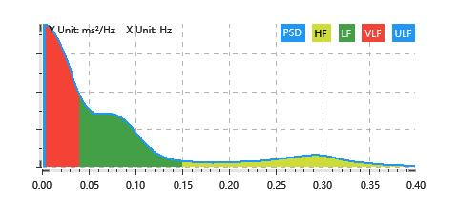

Nonlinear
 | Poincare | SD1 | 24.64ms | SD2 | 70.39ms
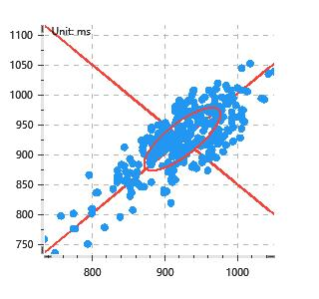

 | Scatter | A++ | 88 | B-- | 56

